B2C Example Uber for Doctors
50
Min


Financial Projections

Is Your Business Model Viable?

AI Kisan Advisor
Target Customers: Farmers and agriculture corporations

Annual Revenue

1. Customer Annual Value
How much revenue do you estimate your company will make for each customer?
Product Price |  |  | $
The price of your product that you developed during your Science of Pricing exercise. |  |  | 5,000 | By Agricultural Corporations and government organisations.
Annual Purchases |  |  | # Purchases
Number of Annual Purchases an average customer will make with you their first year. For tips, expand the + here on the left side column. |  |  | 1
Total |  |  | $5,000 |  | Benefit (Return)
 |  |  |  |  | Revenue Lift (Yeild) | $40,000

Annual Early Adopters
Number Of People
Reached Annually
% Of Interested
People
% Of Purchasing
Customers
2. Sales Conversion Rates |  |  |  |  | Cost Savings (efficiency)
How many buying customers do you estimate your company will be able to get from your channels annually? |  |  |  |  |  | $15,000
 |  |  |  |  | Error Reduction | $5,000
For tips, expand the + here on the left side column.
Early Adopter / Channel | # People Reached Annually | % Interested People | % Purchasing Customers |  | Total Annual Benefit | $60,000
Direct Partnerships | 100 | 20.00% | 50.00%
 | Subtotal - Annual Early Adopters |  | 10
Agricultural Conferences

Digital Marketing (LinkedIn)
 | Subtotal - Annual Early Adopters |  | 0
Total Annual Early Adopters |  |  | 10

Annual Expenses

3. Salaries
What will your future full time employees salary (and yours) be?
Founders' Salary |  | Salary ($/year) | # Founders
What is the minimum amount of money you, and the rest of your founders will need to make, to make it worth starting this business? |  | 0 | 5
Roles & Job Positions |  | Salary ($/year) | # Employees
For tips and detailed calculations, expand the + here on the left side column.

Number of employees and owners |  | 5
Subtotal - Salaries |  | 0
Taxes |  |  | %
Consider about 33% of the net salary (25% of gross salary) for: Federal taxes, Social Security and Medicare taxes. For specific and detailed calculations, expand the + here on the left side column. |  |  | 33.33%
Benefits Package |  |  | %
Consider about 30% of the net salary for benefits costs, such as paid leave (vacation, holidays, sick leave and personal), average employer contribution to retirement, etc. |  |  | 30.00%
Total Compensation |  | $0

4. Real Estate
How much space do you estimate your company will need and how much will it cost?
Office Space |  | # Employees | sq.ft/employee
Consider about 200 square feet per employee. If you won't need an office then set 0 sq.ft/employee. For specific and detailed calculations, expand the + here on the left side column. |  | 5 | 100
Retail, Warehouse, or Other Spaces |  |  | sq.ft
Total square foot size of the space needed. For tips, expand the + here on the left side column. |  |  | 0
Price per Square Foot per Year |  |  | $ / sq.ft
Consider about $27 per square foot per year (for an office). For specific and detailed calculations, expand the + here on the left side column. |  |  | 30.00
Utilities |  |  | $
Annual electricity (HVAC not included), internet, phone, gas, water, garbage and recycling expenses. Consider about $2 annually per square foot of office space |  |  | 200
Total |  |  | $15,200

5. Marketing
How much do you estimate your company will need to spend to acquire customers?
Advertisement
For each channel you hypotheized above, estimate the annual CAC (Customer Acquisition Cost) for every new customer you get using that channel. Select a CAC from the dropdown, or enter your own like "$23.45". Don't worry if you get an "invalid" warning if you enter a custom value. For more specific estimates, expand the + here on the left side column.
For more CAC estimates, open the 'Channel Estimates' Sheet.
Early Adopter / Channel | # Annual Early Adopters | CAC ($)
Direct Partnerships | 10 | 0.00
 | Subtotal - Cost | $0
Agricultural Conferences |  | 0
 | Subtotal - Cost | $0
Digital Marketing (LinkedIn) | 0 | Free: Your Own (Blog, Website, ...): $0.00
 | Subtotal - Cost | $0
PR & Offline Promotion |  |  | $
Events and conferences, travel expenses, communication & PR, branded material, business cards and stationery, etc. For tips, expand the + here on the left side column. |  |  | 1,000
Total |  |  | $1,000

6. Miscellaneous
How much do you estimate your company will spend to operate?
IT |  | # Employees | $
Website hosting, hardware and software equipment, IT maintenance, training, etc.. |  |  | 40,000
Office supplies |  | # Employees | $0
Consumable items that workers regularly use to conduct business, such as paper goods, pens and staples, inks, toners, labels, etc… Consider $200 per employee yearly for highly digital businesses, and $1000 for businesses w/ high use of paper as law firms. For specific and detailed calculations, expand the + here on the left side column. |  | 5 | 0
Cloud Infrastructure etc |  |  | $
retraining/interfence |  |  | 5,000
Operative
Inventory, raw materials, parts, equipment lease payments, etc... For tips, expand the + here on the left side column.
Expense | Unit Cost | Units | Total
Data Access (API's) |  |  | $3,000
Maintenance and support |  |  | $7,000
 |  |  | $0
 |  |  | $0
 |  |  | $0
 |  |  | $0
 |  |  | $0
Subtotal - Operative Expenses |  |  | $10,000
Fees |  |  | $
Commercial, franchise, postage & shipping costs, etc... For tips, specific and detailed calculations, expand the + here on the left side column. |  |  | 0
Total |  |  | $15,000

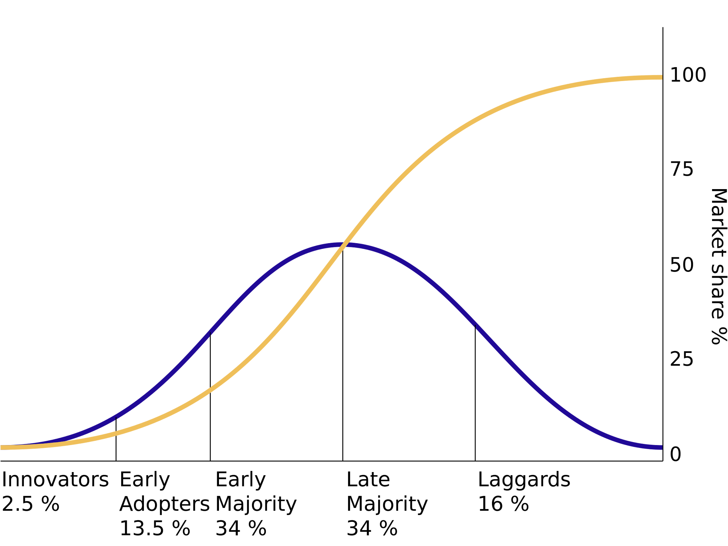
Summary
Is Your Business Model Viable? ... estimating Early Majority

Diffusion of Innovation Ratios | Optimistic | Pessimistic | Average
Early Adopter % | 13.5% | 13.5% | 13.5%
Early Majority % | 34.0% | 0.0% | 17.0%
EM to EA Ratio | 2.52 | 0.00 | 1.26
Annual Revenue | $175,926 | $50,000 | $112,963
Annual Expenses | $31,200 | $31,200 | $31,200

Difference | $144,726 | $18,800 | $81,763
Difference % | 463.87% | 60.26% | 262.06%

Congratulations! Based on your Financial Assumptions Your Business Model is Viable

Annual Revenue vs Annual Expenses

Remember that the viability of your Business Model is based on assumptions (guesses, until proven otherwise) and approximations. Here below the main ones.

Main Assumptions & Inaccuracies
Early Majority will come the year after Early Adopters
First year's expenses (eg.: incorporation, patents, furnitures, etc...) are not drowned in following annual expenses
No accounting for Late Majority or Laggards
No accounting for late majority or laggards
Assumes only operating in 3 customer/channel combinations
Assumes same price for each customer/channel combination
Diffusion of Innovations ratios is from 1960's. Is it still right?

